ZK507
ZK507 Projection Distance calculate sheet
 |  |  |  |  |  |  |  |  |  |  |  |  |  |  |  | 返回總表
Projection Distance: | 1.3m ~ 9.3m
Projection Lens: | F = 2.5(wide)~3.26(tele), 20.91~32.62mm ; 1.6x
Throw Ratio: | 1.39 | ~ | 2.22 | :1 Distance/Width
Offset Ratio: | 100 |  |  | %
Aspect ratio: | 16 | : | 9
h: | The distance from the lens center to the lower edge of the screen

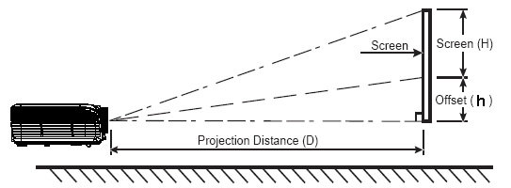
Projection Distance (M) |  |  |  | 1.5 | 2 | 2.5 | 3 | 3.5 | 4 | 5 | 6 | 7 | 8 | 9 | 10
Screen Size 16:9 (inch) |  |  | Max | 48.7 | 65.0 | 81.2 | 97.5 | 113.7 | 130.0 | 162.5 | 195.0 | 227.5 | 260.0 | 292.5 | 325.0
 |  |  | Min | 30.5 | 40.7 | 50.9 | 61.0 | 71.2 | 81.4 | 101.7 | 122.1 | 142.4 | 162.8 | 183.1 | 203.5

 |  |  |  |  | Diagonal /inch |  |  | Offset |  | Angle |  | 16:9 Mode Diagonal /inch
Enter your distance:(M) → |  |  |  | Max
 |  |  |  | Min

 |  |  | Max 4:3 | Screen | Width: |  |  | ~
 |  |  |  |  | Height: |  |  | ~

 |  |  | Max 16:9 | Screen | Width: |  |  | ~
 |  |  |  |  | Height: |  |  | ~

Screen Size 16:9 (inch) |  |  |  | 90 | 100 | 120 | 140 | 150 | 160 | 170 | 180 | 190 | 200 | 210 | 220
Projection Distance (M) |  |  | Min | 2.8 | 3.1 | 3.7 | 4.3 | 4.6 | 4.9 | 5.2 | 5.5 | 5.8 | 6.2 | 6.5 | 6.8
 |  |  | Max | 4.4 | 4.9 | 5.9 | 6.9 | 7.4 | 7.9 | 8.4 | 8.8 | 9.3 | 9.8 | 10.3 | 10.8
Screen Width:(cm) |  |  |  | 199.24 | 221.38 | 265.66 | 309.93 | 332.07 | 354.21 | 376.35 | 398.48 | 420.62 | 442.76 | 464.90 | 487.04
Screen Height:(cm) |  |  |  | 112.07 | 124.53 | 149.43 | 174.34 | 186.79 | 199.24 | 211.69 | 224.15 | 236.60 | 249.05 | 261.51 | 273.96

 |  |  |  |  | Projection Distance /M |  |  | Angle |  | Offset(h)
Enter your 16:9 screen size:(inch) → |  |  |  | Min
 |  |  |  | Max

 |  |  | Screen Width :(cm)
 |  |  | Screen Height:(cm)

