ZH500T
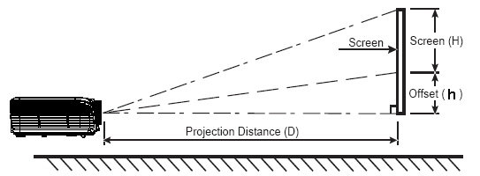
ZH500T Projection Distance calculate sheet
 |  |  |  |  |  |  |  |  |  |  |  |  |  |  |  |  | 返回總表
Projection Distance: | 1.28m to 8.50m@ tele mode 1.59m to7.99m@ wide mode
Projection Lens: | F = 2.3(wide) ; 3.15(tele), 17.63~31.36 mm ; 1.6x
Throw Ratio: | 1.20 | ~ | 1.92 | :1 Distance/Width
Offset Ratio: | 105 |  |  | % |  | 130 |  |  | %
Aspect ratio: | 16 | : | 10
h: | The distance from the lens center to the lower edge of the screen

Projection Distance (M) |  |  |  | 1.5 | 2 | 2.5 | 3 | 3.5 | 4 | 5 | 6 | 7 | 8 | 9 | 10
Screen Size 16:10 (inch) |  |  | Max | 58.0 | 77.4 | 96.7 | 116.1 | 135.4 | 154.8 | 193.5 | 232.1 | 270.8 | 309.5 | 348.2 | 386.9
 |  |  | Min | 36.3 | 48.4 | 60.5 | 72.5 | 84.6 | 96.7 | 120.9 | 145.1 | 169.3 | 193.5 | 217.6 | 241.8

 |  |  |  |  | Diagonal /inch |  |  | Offset |  | Angle |  | 16:9 Mode Diagonal /inch
Enter your distance:(M) → |  |  |  | Max
 |  |  |  | Min

 |  |  | Max 4:3 | Screen | Width: |  |  | ~
 |  |  |  |  | Height: |  |  | ~

 |  |  | Max 16:9 | Screen | Width: |  |  | ~
 |  |  |  |  | Height: |  |  | ~

Screen Size 16:10 (inch) |  |  |  | 90 | 100 | 120 | 140 | 150 | 160 | 170 | 180 | 190 | 200 | 210 | 220
Projection Distance (M) |  |  | Min | 2.3 | 2.6 | 3.1 | 3.6 | 3.9 | 4.1 | 4.4 | 4.7 | 4.9 | 5.2 | 5.4 | 5.7
 |  |  | Max | 3.7 | 4.1 | 5.0 | 5.8 | 6.2 | 6.6 | 7.0 | 7.4 | 7.9 | 8.3 | 8.7 | 9.1
Screen Width:(cm) |  |  |  | 193.85 | 215.39 | 258.47 | 301.55 | 323.09 | 344.63 | 366.17 | 387.70 | 409.24 | 430.78 | 452.32 | 473.86
Screen Height:(cm) |  |  |  | 121.16 | 134.62 | 161.54 | 188.47 | 201.93 | 215.39 | 228.85 | 242.32 | 255.78 | 269.24 | 282.70 | 296.16
offset 最低 h |  |  |  | 6.06 | 6.73 | 8.08 | 9.42 | 10.10 | 10.77 | 11.44 | 12.12 | 12.79 | 13.46 | 14.14 | 14.81 | Lens shift
offset 最低 h |  |  |  | 36.35 | 40.39 | 48.46 | 56.54 | 60.58 | 64.62 | 68.66 | 72.69 | 76.73 | 80.77 | 84.81 | 88.85

 |  |  |  |  | Projection Distance /M |  |  | Angle |  | Offset(h)
Enter your 16:10 screen size:(inch) → |  |  |  | Min
 |  |  |  | Max

 |  |  | Screen Width :(cm)
 |  |  | Screen Height:(cm)

