ZH400UST
ZH400UST Projection Distance calculate sheet
Projection Lens: | F/ 2.4 ; f = -3.72mm / e-line 546nm , Fix Lens |  |  |  |  |  |  |  | 返回總表
Throw Ratio: | 0.25 | ~ | 0.25 | :1 Distance/Width
Offset Ratio: | 120.81 +/- 3%
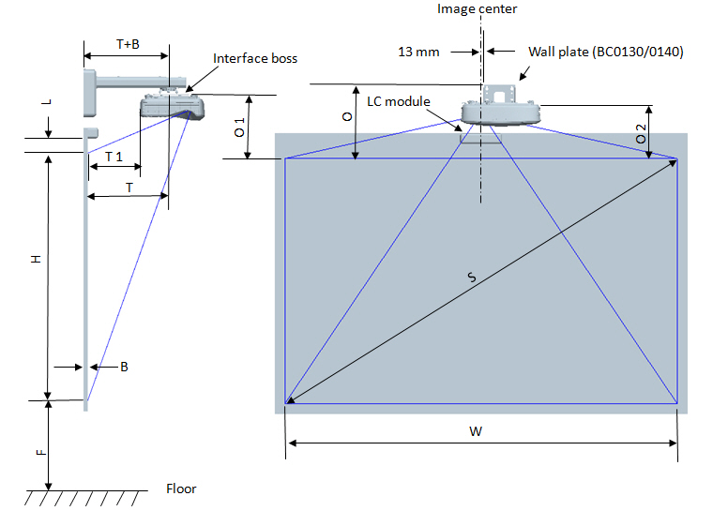
Aspect ratio: | 1920 | : | 1080

ZH400UST
Z28 1080P (16:9) Wall mount installation measurement chart
Diagonal image size (S) in inch | Diagonal image size (S) in mm | Image width (W) in mm | Image height (H) in mm | Distance from surface of whiteboard to center of projector mount (T) in mm | Distance from surface of whiteboard to back of projector (T1) in mm | Distance from top of image to top of wall plate (O) in mm | Distance from top of image to top of interface boss (O1) in mm | Distance from top of image to top of projector (O2) in mm
87 | 2210 | 1926 | 1083 | 370 | 233 | 364 | 288 | 268
88 | 2235 | 1948 | 1096 | 376 | 239 | 367 | 291 | 271
89 | 2261 | 1970 | 1108 | 382 | 245 | 370 | 294 | 274
90 | 2286 | 1992 | 1121 | 387 | 250 | 372 | 296 | 276
91 | 2311 | 2015 | 1133 | 393 | 256 | 375 | 299 | 279
92 | 2337 | 2037 | 1146 | 398 | 261 | 377 | 301 | 281
93 | 2362 | 2059 | 1158 | 404 | 267 | 380 | 304 | 284
94 | 2388 | 2081 | 1171 | 409 | 272 | 383 | 307 | 287
95 | 2413 | 2103 | 1183 | 415 | 278 | 385 | 309 | 289
96 | 2438 | 2125 | 1196 | 421 | 284 | 388 | 312 | 292
97 | 2464 | 2147 | 1208 | 426 | 289 | 390 | 314 | 294
98 | 2489 | 2170 | 1220 | 432 | 295 | 393 | 317 | 297
99 | 2515 | 2192 | 1233 | 437 | 300 | 396 | 320 | 300
100 | 2540 | 2214 | 1245 | 443 | 306 | 398 | 322 | 302
101 | 2565 | 2236 | 1258 | 448 | 311 | 401 | 325 | 305
102 | 2591 | 2258 | 1270 | 454 | 317 | 403 | 327 | 307
110 | 2794 | 2435 | 1370 | 499 | 362 | 424 | 348 | 328
120 | 3048 | 2657 | 1494 | 554 | 417 | 450 | 374 | 354
135 | 3429 | 2989 | 1681 | 638 | 501 | 489 | 413 | 393
140 | 3556 | 3099 | 1744 | 666 | 529 | 502 | 426 | 406
150 | 3810 | 3321 | 1868 | 722 | 585 | 528 | 452 | 432

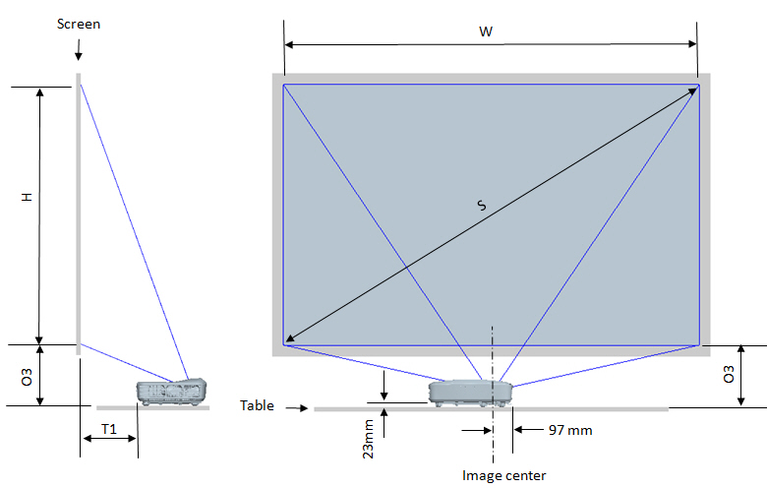
Z28 1080P (16:9) Table mount installation measurement chart
Diagonal image size (S) in inch | Diagonal image size (S) in mm | Image width (W) in mm | Image height (H) in mm | Distance from surface of whiteboard to back of projector (T1) in mm | Distance from bottom of image to top of table (O3) in mm
87 | 2210 | 1926 | 1083 | 233 | 291
88 | 2235 | 1948 | 1096 | 239 | 294
89 | 2261 | 1970 | 1108 | 245 | 297
90 | 2286 | 1992 | 1121 | 250 | 299
91 | 2311 | 2015 | 1133 | 256 | 302
92 | 2337 | 2037 | 1146 | 261 | 304
93 | 2362 | 2059 | 1158 | 267 | 307
94 | 2388 | 2081 | 1171 | 272 | 310
95 | 2413 | 2103 | 1183 | 278 | 312
96 | 2438 | 2125 | 1196 | 284 | 315
97 | 2464 | 2147 | 1208 | 289 | 317
98 | 2489 | 2170 | 1220 | 295 | 320
99 | 2515 | 2192 | 1233 | 300 | 323
100 | 2540 | 2214 | 1245 | 306 | 325
101 | 2565 | 2236 | 1258 | 311 | 328
102 | 2591 | 2258 | 1270 | 317 | 330
110 | 2794 | 2435 | 1370 | 362 | 351
120 | 3048 | 2657 | 1494 | 417 | 377
130 | 3302 | 2878 | 1619 | 473 | 403

