ZW350
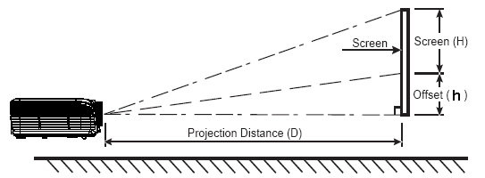
ZW350 Projection Distance calculate sheet
 |  |  |  |  |  |  |  |  |  |  |  |  |  |  |  | 返回總表
Projection Distance: | 1.2 m ~ 7.7m
Projection Lens: | F=2.5~2.78 ; f = 16.9~21.61 mm; 1.3x manual zoom / focus lens.
Throw Ratio: | 1.180 | ~ | 1.540 | :1 Distance/Width
Offset Ratio: | 115 |  |  | %
Aspect ratio: | 16 | : | 10
h: | The distance from the lens center to the lower edge of the screen

Projection Distance (M) |  |  |  | 1.5 | 2 | 2.5 | 3 | 3.5 | 4 | 5 | 6 | 7 | 8 | 9 | 10
Screen Size 16:10 (inch) |  |  | Max | 59.0 | 78.7 | 98.4 | 118.0 | 137.7 | 157.4 | 196.7 | 236.1 | 275.4 | 314.8 | 354.1 | 393.5
 |  |  | Min | 45.2 | 60.3 | 75.4 | 90.4 | 105.5 | 120.6 | 150.7 | 180.9 | 211.0 | 241.2 | 271.3 | 301.5

 |  |  |  |  | Diagonal /inch |  |  | Offset |  | Angle |  | 16:9 Mode Diagonal /inch
Enter your distance:(M) → |  |  |  | Max
 |  |  |  | Min

 |  |  | Max 4:3 | Screen | Width: |  |  | ~
 |  |  |  |  | Height: |  |  | ~

 |  |  | Max 16:9 | Screen | Width: |  |  | ~
 |  |  |  |  | Height: |  |  | ~

Screen Size 16:10 (inch) |  |  |  | 90 | 100 | 120 | 140 | 150 | 160 | 170 | 180 | 190 | 200 | 210 | 220
Projection Distance (M) |  |  | Min | 2.3 | 2.5 | 3.0 | 3.6 | 3.8 | 4.1 | 4.3 | 4.6 | 4.8 | 5.1 | 5.3 | 5.6
 |  |  | Max | 3.0 | 3.3 | 4.0 | 4.6 | 5.0 | 5.3 | 5.6 | 6.0 | 6.3 | 6.6 | 7.0 | 7.3
Screen Width:(cm) |  |  |  | 193.85 | 215.39 | 258.47 | 301.55 | 323.09 | 344.63 | 366.17 | 387.70 | 409.24 | 430.78 | 452.32 | 473.86
Screen Height:(cm) |  |  |  | 121.16 | 134.62 | 161.54 | 188.47 | 201.93 | 215.39 | 228.85 | 242.32 | 255.78 | 269.24 | 282.70 | 296.16
h |  |  |  | 18.17 | 20.19 | 24.23 | 28.27 | 30.29 | 32.31 | 34.33 | 36.35 | 38.37 | 40.39 | 42.41 | 44.42

 |  |  |  |  | Projection Distance /M |  |  | Angle |  | Offset(h)
Enter your 16:10 screen size:(inch) → |  |  |  | Min
 |  |  |  | Max

 |  |  | Screen Width :(cm)
 |  |  | Screen Height:(cm)

